Sheet1
 | Row
Col |  | 0 | 1 | 2 | 3 | 4 | 5 | 6 | 7 | 8 | 9 | 10 | 11 | 12 | 13 | 14 | 15 | 16 | 17 | 18 | 19 | 20 | 21 | 22 | 23 | 24 | 25 | 26 | 27 | 28 | 29 | 30 | 31 | 32 | 33 | 34 | 35 | 36 | 37 | 38 | 39 | 40
0 | 0 | 4800 | 4801 | 4802 | 4803 | 4804 | 4805 | 4806 | 4807 | 4808 | 4809 | 480A | 480B | 480C | 480D | 480E | 480F | 4810 | 4811 | 4812 | 4813 | 4814 | 4815 | 4816 | 4817 | 4818 | 4819 | 481A | 481B | 481C | 481D | 481E | 481F | 4820 | 4821 | 4822 | 4823 | 4824 | 4825 | 4826 | 4827
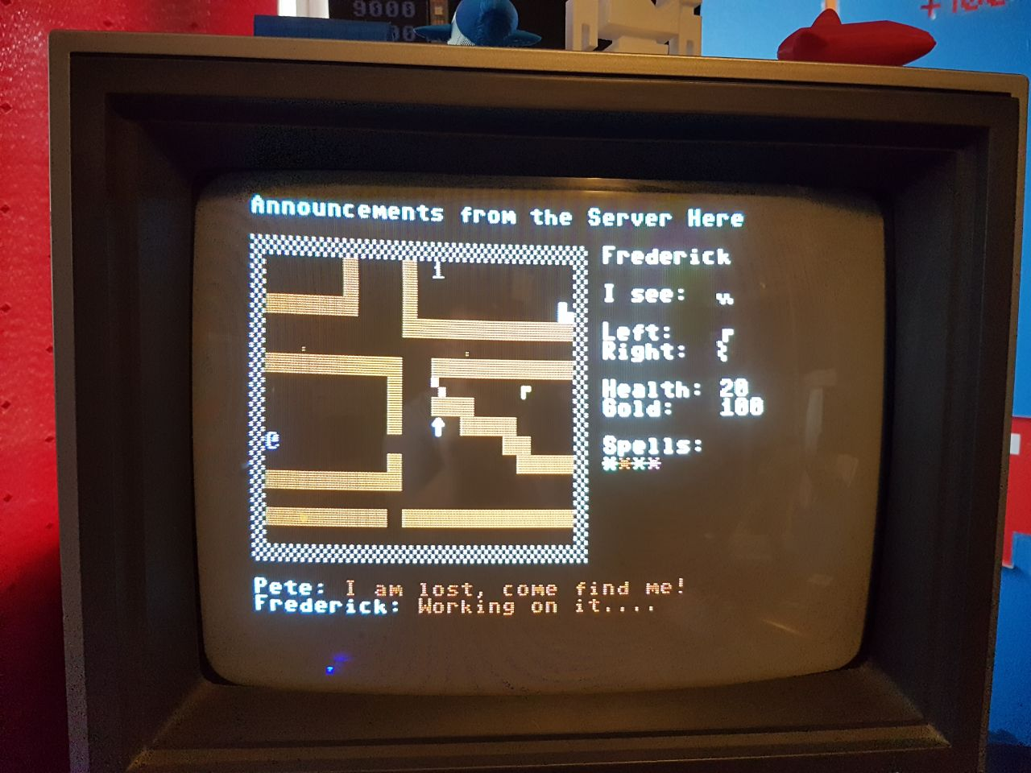
40 | 1 | 4828 | 4829 | 482A | 482B | 482C | 482D | 482E | 482F | 4830 | 4831 | 4832 | 4833 | 4834 | 4835 | 4836 | 4837 | 4838 | 4839 | 483A | 483B | 483C | 483D | 483E | 483F | 4840 | 4841 | 4842 | 4843 | 4844 | 4845 | 4846 | 4847 | 4848 | 4849 | 484A | 484B | 484C | 484D | 484E | 484F
80 | 2 | 4850 | 4851 | 4852 | 4853 | 4854 | 4855 | 4856 | 4857 | 4858 | 4859 | 485A | 485B | 485C | 485D | 485E | 485F | 4860 | 4861 | 4862 | 4863 | 4864 | 4865 | 4866 | 4867 | 4868 | 4869 | 486A | 486B | 486C | 486D | 486E | 486F | 4870 | 4871 | 4872 | 4873 | 4874 | 4875 | 4876 | 4877
120 | 3 | 4878 | 4879 | 487A | 487B | 487C | 487D | 487E | 487F | 4880 | 4881 | 4882 | 4883 | 4884 | 4885 | 4886 | 4887 | 4888 | 4889 | 488A | 488B | 488C | 488D | 488E | 488F | 4890 | 4891 | 4892 | 4893 | 4894 | 4895 | 4896 | 4897 | 4898 | 4899 | 489A | 489B | 489C | 489D | 489E | 489F
160 | 4 | 48A0 | 48A1 | 48A2 | 48A3 | 48A4 | 48A5 | 48A6 | 48A7 | 48A8 | 48A9 | 48AA | 48AB | 48AC | 48AD | 48AE | 48AF | 48B0 | 48B1 | 48B2 | 48B3 | 48B4 | 48B5 | 48B6 | 48B7 | 48B8 | 48B9 | 48BA | 48BB | 48BC | 48BD | 48BE | 48BF | 48C0 | 48C1 | 48C2 | 48C3 | 48C4 | 48C5 | 48C6 | 48C7
200 | 5 | 48C8 | 48C9 | 48CA | 48CB | 48CC | 48CD | 48CE | 48CF | 48D0 | 48D1 | 48D2 | 48D3 | 48D4 | 48D5 | 48D6 | 48D7 | 48D8 | 48D9 | 48DA | 48DB | 48DC | 48DD | 48DE | 48DF | 48E0 | 48E1 | 48E2 | 48E3 | 48E4 | 48E5 | 48E6 | 48E7 | 48E8 | 48E9 | 48EA | 48EB | 48EC | 48ED | 48EE | 48EF
240 | 6 | 48F0 | 48F1 | 48F2 | 48F3 | 48F4 | 48F5 | 48F6 | 48F7 | 48F8 | 48F9 | 48FA | 48FB | 48FC | 48FD | 48FE | 48FF | 4900 | 4901 | 4902 | 4903 | 4904 | 4905 | 4906 | 4907 | 4908 | 4909 | 490A | 490B | 490C | 490D | 490E | 490F | 4910 | 4911 | 4912 | 4913 | 4914 | 4915 | 4916 | 4917
280 | 7 | 4918 | 4919 | 491A | 491B | 491C | 491D | 491E | 491F | 4920 | 4921 | 4922 | 4923 | 4924 | 4925 | 4926 | 4927 | 4928 | 4929 | 492A | 492B | 492C | 492D | 492E | 492F | 4930 | 4931 | 4932 | 4933 | 4934 | 4935 | 4936 | 4937 | 4938 | 4939 | 493A | 493B | 493C | 493D | 493E | 493F
320 | 8 | 4940 | 4941 | 4942 | 4943 | 4944 | 4945 | 4946 | 4947 | 4948 | 4949 | 494A | 494B | 494C | 494D | 494E | 494F | 4950 | 4951 | 4952 | 4953 | 4954 | 4955 | 4956 | 4957 | 4958 | 4959 | 495A | 495B | 495C | 495D | 495E | 495F | 4960 | 4961 | 4962 | 4963 | 4964 | 4965 | 4966 | 4967
360 | 9 | 4968 | 4969 | 496A | 496B | 496C | 496D | 496E | 496F | 4970 | 4971 | 4972 | 4973 | 4974 | 4975 | 4976 | 4977 | 4978 | 4979 | 497A | 497B | 497C | 497D | 497E | 497F | 4980 | 4981 | 4982 | 4983 | 4984 | 4985 | 4986 | 4987 | 4988 | 4989 | 498A | 498B | 498C | 498D | 498E | 498F
400 | 10 | 4990 | 4991 | 4992 | 4993 | 4994 | 4995 | 4996 | 4997 | 4998 | 4999 | 499A | 499B | 499C | 499D | 499E | 499F | 49A0 | 49A1 | 49A2 | 49A3 | 49A4 | 49A5 | 49A6 | 49A7 | 49A8 | 49A9 | 49AA | 49AB | 49AC | 49AD | 49AE | 49AF | 49B0 | 49B1 | 49B2 | 49B3 | 49B4 | 49B5 | 49B6 | 49B7
440 | 11 | 49B8 | 49B9 | 49BA | 49BB | 49BC | 49BD | 49BE | 49BF | 49C0 | 49C1 | 49C2 | 49C3 | 49C4 | 49C5 | 49C6 | 49C7 | 49C8 | 49C9 | 49CA | 49CB | 49CC | 49CD | 49CE | 49CF | 49D0 | 49D1 | 49D2 | 49D3 | 49D4 | 49D5 | 49D6 | 49D7 | 49D8 | 49D9 | 49DA | 49DB | 49DC | 49DD | 49DE | 49DF
480 | 12 | 49E0 | 49E1 | 49E2 | 49E3 | 49E4 | 49E5 | 49E6 | 49E7 | 49E8 | 49E9 | 49EA | 49EB | 49EC | 49ED | 49EE | 49EF | 49F0 | 49F1 | 49F2 | 49F3 | 49F4 | 49F5 | 49F6 | 49F7 | 49F8 | 49F9 | 49FA | 49FB | 49FC | 49FD | 49FE | 49FF | 4A00 | 4A01 | 4A02 | 4A03 | 4A04 | 4A05 | 4A06 | 4A07
520 | 13 | 4A08 | 4A09 | 4A0A | 4A0B | 4A0C | 4A0D | 4A0E | 4A0F | 4A10 | 4A11 | 4A12 | 4A13 | 4A14 | 4A15 | 4A16 | 4A17 | 4A18 | 4A19 | 4A1A | 4A1B | 4A1C | 4A1D | 4A1E | 4A1F | 4A20 | 4A21 | 4A22 | 4A23 | 4A24 | 4A25 | 4A26 | 4A27 | 4A28 | 4A29 | 4A2A | 4A2B | 4A2C | 4A2D | 4A2E | 4A2F
560 | 14 | 4A30 | 4A31 | 4A32 | 4A33 | 4A34 | 4A35 | 4A36 | 4A37 | 4A38 | 4A39 | 4A3A | 4A3B | 4A3C | 4A3D | 4A3E | 4A3F | 4A40 | 4A41 | 4A42 | 4A43 | 4A44 | 4A45 | 4A46 | 4A47 | 4A48 | 4A49 | 4A4A | 4A4B | 4A4C | 4A4D | 4A4E | 4A4F | 4A50 | 4A51 | 4A52 | 4A53 | 4A54 | 4A55 | 4A56 | 4A57
600 | 15 | 4A58 | 4A59 | 4A5A | 4A5B | 4A5C | 4A5D | 4A5E | 4A5F | 4A60 | 4A61 | 4A62 | 4A63 | 4A64 | 4A65 | 4A66 | 4A67 | 4A68 | 4A69 | 4A6A | 4A6B | 4A6C | 4A6D | 4A6E | 4A6F | 4A70 | 4A71 | 4A72 | 4A73 | 4A74 | 4A75 | 4A76 | 4A77 | 4A78 | 4A79 | 4A7A | 4A7B | 4A7C | 4A7D | 4A7E | 4A7F
640 | 16 | 4A80 | 4A81 | 4A82 | 4A83 | 4A84 | 4A85 | 4A86 | 4A87 | 4A88 | 4A89 | 4A8A | 4A8B | 4A8C | 4A8D | 4A8E | 4A8F | 4A90 | 4A91 | 4A92 | 4A93 | 4A94 | 4A95 | 4A96 | 4A97 | 4A98 | 4A99 | 4A9A | 4A9B | 4A9C | 4A9D | 4A9E | 4A9F | 4AA0 | 4AA1 | 4AA2 | 4AA3 | 4AA4 | 4AA5 | 4AA6 | 4AA7
680 | 17 | 4AA8 | 4AA9 | 4AAA | 4AAB | 4AAC | 4AAD | 4AAE | 4AAF | 4AB0 | 4AB1 | 4AB2 | 4AB3 | 4AB4 | 4AB5 | 4AB6 | 4AB7 | 4AB8 | 4AB9 | 4ABA | 4ABB | 4ABC | 4ABD | 4ABE | 4ABF | 4AC0 | 4AC1 | 4AC2 | 4AC3 | 4AC4 | 4AC5 | 4AC6 | 4AC7 | 4AC8 | 4AC9 | 4ACA | 4ACB | 4ACC | 4ACD | 4ACE | 4ACF
720 | 18 | 4AD0 | 4AD1 | 4AD2 | 4AD3 | 4AD4 | 4AD5 | 4AD6 | 4AD7 | 4AD8 | 4AD9 | 4ADA | 4ADB | 4ADC | 4ADD | 4ADE | 4ADF | 4AE0 | 4AE1 | 4AE2 | 4AE3 | 4AE4 | 4AE5 | 4AE6 | 4AE7 | 4AE8 | 4AE9 | 4AEA | 4AEB | 4AEC | 4AED | 4AEE | 4AEF | 4AF0 | 4AF1 | 4AF2 | 4AF3 | 4AF4 | 4AF5 | 4AF6 | 4AF7
760 | 19 | 4AF8 | 4AF9 | 4AFA | 4AFB | 4AFC | 4AFD | 4AFE | 4AFF | 4B00 | 4B01 | 4B02 | 4B03 | 4B04 | 4B05 | 4B06 | 4B07 | 4B08 | 4B09 | 4B0A | 4B0B | 4B0C | 4B0D | 4B0E | 4B0F | 4B10 | 4B11 | 4B12 | 4B13 | 4B14 | 4B15 | 4B16 | 4B17 | 4B18 | 4B19 | 4B1A | 4B1B | 4B1C | 4B1D | 4B1E | 4B1F
800 | 20 | 4B20 | 4B21 | 4B22 | 4B23 | 4B24 | 4B25 | 4B26 | 4B27 | 4B28 | 4B29 | 4B2A | 4B2B | 4B2C | 4B2D | 4B2E | 4B2F | 4B30 | 4B31 | 4B32 | 4B33 | 4B34 | 4B35 | 4B36 | 4B37 | 4B38 | 4B39 | 4B3A | 4B3B | 4B3C | 4B3D | 4B3E | 4B3F | 4B40 | 4B41 | 4B42 | 4B43 | 4B44 | 4B45 | 4B46 | 4B47
840 | 21 | 4B48 | 4B49 | 4B4A | 4B4B | 4B4C | 4B4D | 4B4E | 4B4F | 4B50 | 4B51 | 4B52 | 4B53 | 4B54 | 4B55 | 4B56 | 4B57 | 4B58 | 4B59 | 4B5A | 4B5B | 4B5C | 4B5D | 4B5E | 4B5F | 4B60 | 4B61 | 4B62 | 4B63 | 4B64 | 4B65 | 4B66 | 4B67 | 4B68 | 4B69 | 4B6A | 4B6B | 4B6C | 4B6D | 4B6E | 4B6F
880 | 22 | 4B70 | 4B71 | 4B72 | 4B73 | 4B74 | 4B75 | 4B76 | 4B77 | 4B78 | 4B79 | 4B7A | 4B7B | 4B7C | 4B7D | 4B7E | 4B7F | 4B80 | 4B81 | 4B82 | 4B83 | 4B84 | 4B85 | 4B86 | 4B87 | 4B88 | 4B89 | 4B8A | 4B8B | 4B8C | 4B8D | 4B8E | 4B8F | 4B90 | 4B91 | 4B92 | 4B93 | 4B94 | 4B95 | 4B96 | 4B97
920 | 23 | 4B98 | 4B99 | 4B9A | 4B9B | 4B9C | 4B9D | 4B9E | 4B9F | 4BA0 | 4BA1 | 4BA2 | 4BA3 | 4BA4 | 4BA5 | 4BA6 | 4BA7 | 4BA8 | 4BA9 | 4BAA | 4BAB | 4BAC | 4BAD | 4BAE | 4BAF | 4BB0 | 4BB1 | 4BB2 | 4BB3 | 4BB4 | 4BB5 | 4BB6 | 4BB7 | 4BB8 | 4BB9 | 4BBA | 4BBB | 4BBC | 4BBD | 4BBE | 4BBF
960 | 24 | 4BC0 | 4BC1 | 4BC2 | 4BC3 | 4BC4 | 4BC5 | 4BC6 | 4BC7 | 4BC8 | 4BC9 | 4BCA | 4BCB | 4BCC | 4BCD | 4BCE | 4BCF | 4BD0 | 4BD1 | 4BD2 | 4BD3 | 4BD4 | 4BD5 | 4BD6 | 4BD7 | 4BD8 | 4BD9 | 4BDA | 4BDB | 4BDC | 4BDD | 4BDE | 4BDF | 4BE0 | 4BE1 | 4BE2 | 4BE3 | 4BE4 | 4BE5 | 4BE6 | 4BE7 |  | Screen_BASE
 |  |  |  |  |  |  |  |  |  |  |  |  |  |  |  |  |  |  |  |  |  |  |  |  |  |  |  |  |  |  |  |  |  |  |  |  |  |  |  |  |  |  | 4800
 |  |  |  |  |  |  |  |  |  |  |  |  |  |  |  |  |  |  |  |  |  |  |  |  |  |  |  |  |  |  |  |  |  |  |  |  |  |  |  |  |  |  | 18432

